SCR_LOGIN
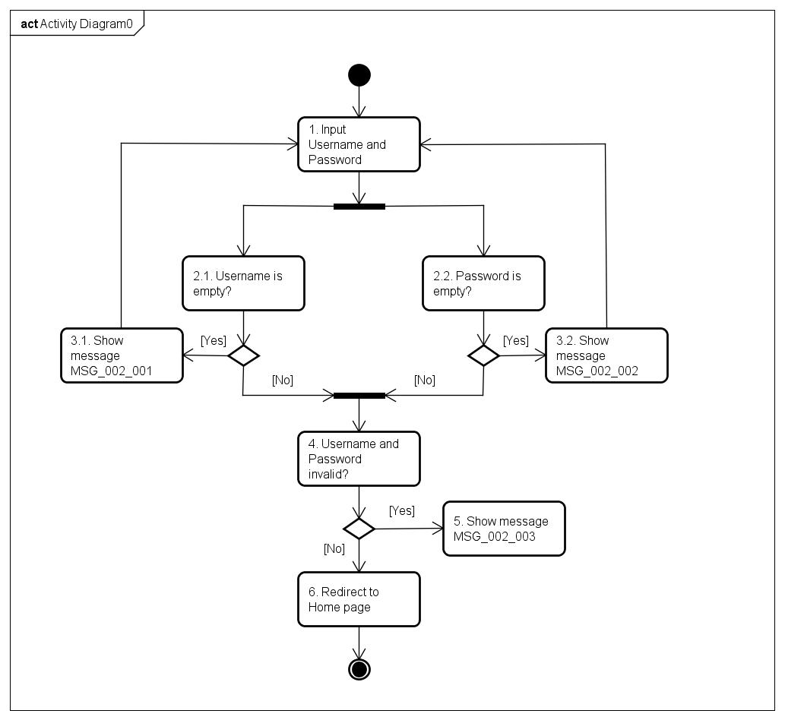
1. Screen Image
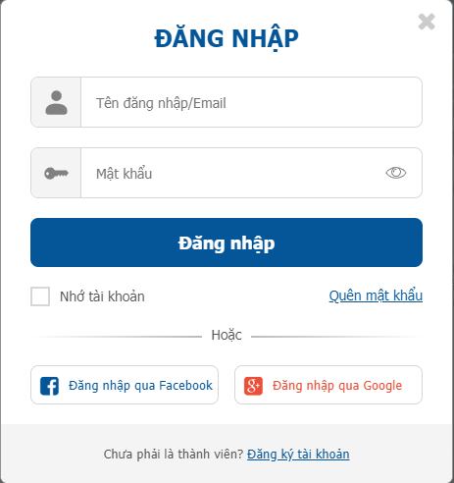

2. Main screen interaction

SRC_SIGNUP
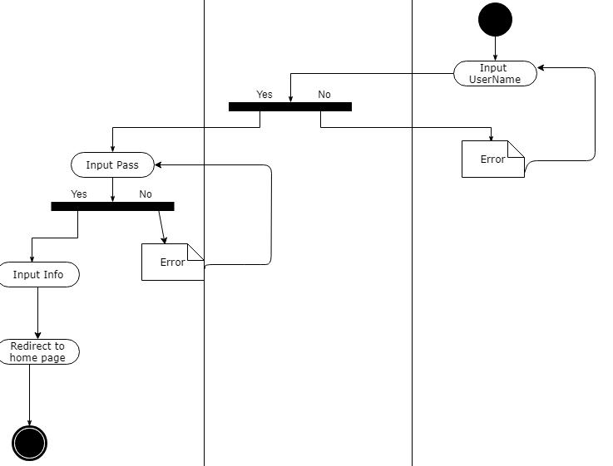
1. Screen Image

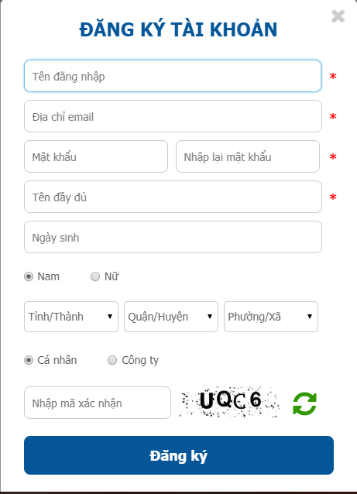

2. Main screen interaction

SRC_SEARCH
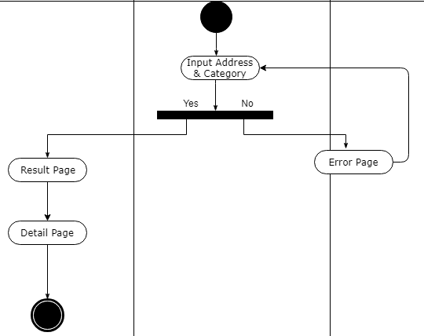
1. Screen image

2. Main screen interaction

SRC_POST
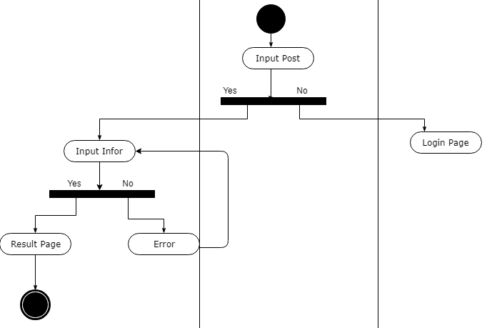
1. Screen image

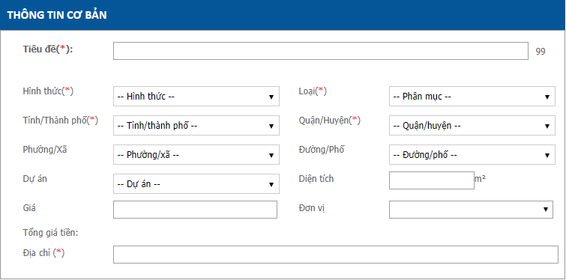

2. Main screen interaction

SRC_EditPost
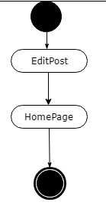
1. Screen image

2. Main screen interaction

